Distances
NEW ZEALAND MAP |  |  | DISTANCES BETWEEN DESTINATIONS (KM)

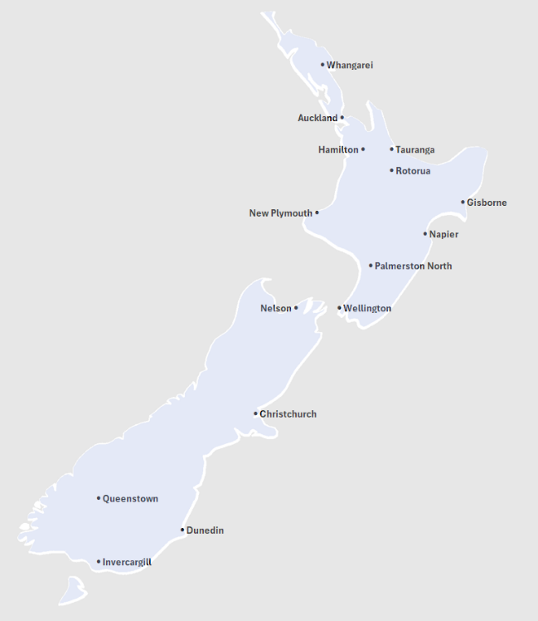
 |  | Possible Ports of Entry |  | Whangarei | Auckland | Tauranga | Hamilton | Rotorua | Gisborne | New Plymouth | Napier | Palmerston North | Wellington | Nelson | Christchurch | Queenstown | Dunedin | Invercargill
 |  | Auckland | Whangarei | 0 | 170 | 376 | 297 | 404 | 675 | 539 | 593 | 698 | 819 | 1008 | 1236 | 1713 | 1591 | 1796
 |  | Christchurch | Auckland | 170 | 0 | 206 | 125 | 234 | 504 | 369 | 423 | 528 | 660 | 845 | 1073 | 1550 | 1427 | 1633
 |  | Wellington | Tauranga | 376 | 206 | 0 | 106 | 64 | 276 | 309 | 280 | 397 | 526 | 728 | 956 | 1433 | 1310 | 1516
 |  |  | Hamilton | 297 | 125 | 106 | 0 | 107 | 376 | 240 | 301 | 392 | 520 | 721 | 950 | 1427 | 1305 | 1509
 |  |  | Rotorua | 404 | 234 | 64 | 107 | 0 | 274 | 294 | 220 | 324 | 453 | 655 | 883 | 1360 | 1237 | 1443
 |  | North Island | Gisborne | 675 | 504 | 276 | 376 | 274 | 0 | 564 | 215 | 392 | 533 | 735 | 963 | 1440 | 1317 | 1523
 | North Island | Whangarei | New Plymouth | 539 | 369 | 309 | 240 | 294 | 564 | 0 | 413 | 232 | 353 | 555 | 783 | 1260 | 1137 | 1343
 | North Island | Auckland | Napier | 593 | 423 | 280 | 301 | 220 | 215 | 413 | 0 | 183 | 323 | 525 | 753 | 1230 | 1108 | 1313
 | North Island | Tauranga | Palmerston North | 698 | 528 | 397 | 392 | 324 | 392 | 232 | 183 | 0 | 142 | 344 | 572 | 1049 | 926 | 1132
 | North Island | Hamilton | Wellington | 819 | 660 | 526 | 520 | 453 | 533 | 353 | 323 | 142 | 0 | 207 | 435 | 912 | 790 | 995
 | North Island | Rotorua | Nelson | 1008 | 845 | 728 | 721 | 655 | 735 | 555 | 525 | 344 | 207 | 0 | 414 | 811 | 769 | 973
 | North Island | Gisborne | Christchurch | 1236 | 1073 | 956 | 950 | 883 | 963 | 783 | 753 | 572 | 435 | 414 | 0 | 482 | 360 | 565
 | North Island | New Plymouth | Queenstown | 1713 | 1550 | 1433 | 1427 | 1360 | 1440 | 1260 | 1230 | 1049 | 912 | 811 | 482 | 0 | 283 | 187
 | North Island | Napier | Dunedin | 1591 | 1427 | 1310 | 1305 | 1237 | 1317 | 1137 | 1108 | 926 | 790 | 769 | 360 | 283 | 0 | 206
 | North Island | Palmerston North | Invercargill | 1796 | 1633 | 1516 | 1509 | 1443 | 1523 | 1343 | 1313 | 1132 | 995 | 973 | 565 | 187 | 206 | 0
 | North Island | Wellington

 |  | South Island
 | South Island | Nelson
 | South Island | Christchurch
 | South Island | Queenstown
 | South Island | Dunedin
 | South Island | Invercargill

